Sheet1
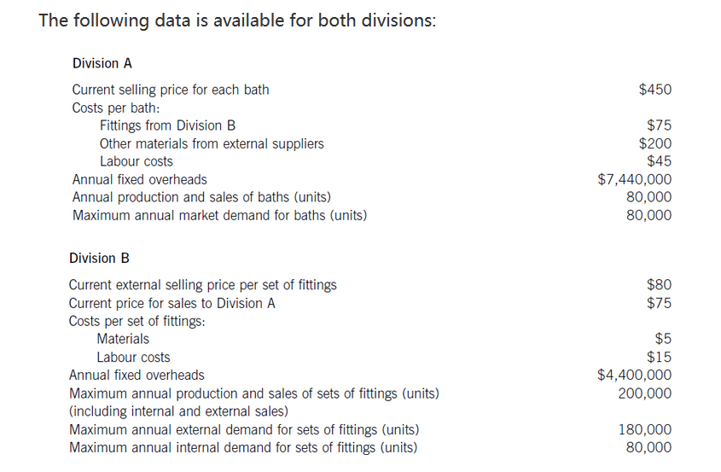
 |  | A | VC | $75.00
 |  |  |  | $200.00
 |  |  |  | $45.00
 |  |  | Sum of VC | $320.00
 |  |  | FC per unit (7440K/80K) | $93.00
 |  |  | TC per unit | $413.00
 |  |  | Profit per unit (selling price- TC) | $37.00
 |  |  | Profit (cell M9* 80k) | $2,960,000.00

 |  | B | VC | 5
 |  |  |  | 15
 |  |  | Sum of VC | 20
 |  |  | FC per unit (4400K/200K) | 22
 |  |  | TC | 42
 |  |  | Profit if Division B supplies 80K to Division A | $7,200,000.00
 |  |  | Profit if Division B sells externally as priority | $7,500,000.00

COMMENT
 | To Division B
 |  | The higher the gap between external market price and TP, the higher incentives to sell the goods externally

